FND-FTF #42
Issue Details |  |  |  | Resolution Details |  |  | Model Change Details |  |  | Model Metadata Changes |  |  | Notes
JIRA | Actual Originator | JIRA Title | Comments | Clause / Page | Figure | Wording | Ontology | Element | Model Actions | Existing skos:definition | New skos:definition | identifier (IRI) | Comments | Additional notes | Tech notes
42 | Mike Bennett | Conflation of real things with text | Places versus Text and whether one was born in a string. | 10.5.2 page 70 | 10.9 | In sub-clause 10.5.2, Figure 10.9 will have been replaced by several diagrams segregated as to subject matter. For the subject matter of Person Identification Basics, and which shows the property hasDateOfBirth, (now identifiesPlaceOfBirth), and the associated restriction fibo-fnd-aap-ppl-04, replace the material reflected in the original Figure 10.9 with the diagram shown below. | People | hasPlaceOfBirth | For the OWL object property hasPLaceOfBirth, change the domain to IdentityDocument Change the name to 'identifiesPlaceOfBirth. Change the label to identifies place of birth' and change the role name for Text, to identifiesPlaceOfBirth. Change the item IRI element (range of <<identifier>> to match. | links a person with their place of birth | identifies the person's place of birth as a textual element. | http://www.omg.org/spec/EDMC-FIBO/FND/AgentsAndPeople/People/identifiesPlaceOfBirth | Propose that this is moved to Identification documentation. | Implication is that what these properties refer to are not properties of people but properties of their documents. Need to reframe the names accordingly eg this one is 'identifiesPlaceOfBirth' Other than hasPLace OfBirth the remaining assertions about people are OK as they stand ie date of birth, citizenship.
 |  |  |  |  | Table 10-24 | In the table 10-24 on page 73, in row 10 (hasPlaceOfBirth): Delete 'hasPlaceOfBirth" in the Name column and replace with "identifiesPlaceOfBirth"; delete "has place of birth" in the Property column and replace with "identifies place of birth"; in the Definition column, delete the text "links a person with their place of birth" and replace with the text "identifies the person's place of birth as a textual element. " In Row 1 (Person) remove the text in the Parent column which says "property restriction 04" In Row 29 (IdentityDocument), in the 'Parent' column, add the text "property restriction 04" The corresponding rows of the table should look like the illustration below (subject to subsequent changes in formatting). | People | fibo-fnd-aap-ppl-04 | For the restriction fibo-fnd-aap-ppl-04 change the subClassOf relation (of which this is the range) to have a domain of IdentityDocument where previously it had Person.
 |  |  |  |  |  | 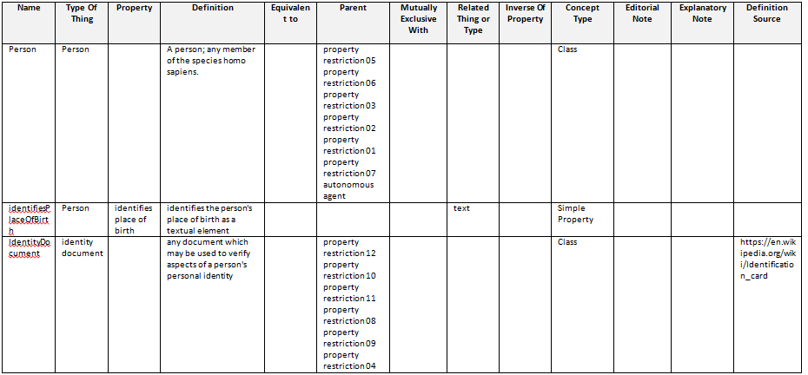

FND-FTF #72
Issue Details |  |  |  | Resolution Details |  |  | Model Change Details |  |  | New metadata element(s): |  | Notes
JIRA | Actual Originator | JIRA Title | Comments | Section / Page | Figure | Wording | Ontology | Element | Model Actions | skos:definition | identifier (IRI) | Comments | Additional notes | Tech notes
72 | Dean Allemang | Add ContractParty as superClass to ContractParties | Add the parent of ContractPrincipal and CojntractCounterparty back in, This was called ContractParty | 10.8.2 page 107 (diagram 10.8.2 page 109ff (Table 10-43) | 10.17 | 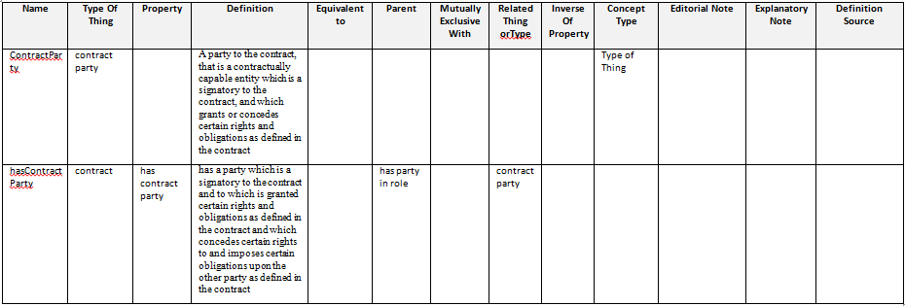 In sub-clause 10.8.2, Figure 10.17 will have been replaced by two or more diagrams segregated as to subject matter. For the subject matter of Contract related parties which includes the properties hasPrincipal, hasCounterpartyand hasThirdParty and the classes ContractPrincipal, ContractCounterparty and ContractThirdParty and associated restrictions, replace the material reflected in the original Figure 10.17 with the diagram shown below. In the table of terms and definitions (Table 10-43) which begin on page 109, append or insert the following new rows: | Contracts | ContractParty | Add OWL Class called ContractParty; make child of PartyInRole; delete subClassOf relations between both ContractPrincipal and ContractCounterparty, and PartyInRole. Make ContractPrincipal and ContractCounterparty subClassOf ContractParty. Change the valuesFrom reference of Restriction 02 (parent of Contract) from PartyInRole to ContractParty; Change the valuesFrom reference of Restriction 05 (parent of BilateralContract)from PartyInRole to ContractParty Add definition and IRI to ContractPArty | A party to the contract, that is a contractually capable entity which is a signatory to the contract, and which grants or concedes certain rights and obligations as defined in the contract. | http://www.omg.org/spec/EDMC-FIBO/FND/Agreements/Contracts/ContractParty | Requires addition of metadata for new element as well as diagram change. Requires change to Resriction 02 so that is refers to ContractParty and not PartyInRole. Also for the restriction on BilateralContract.
 |  |  |  |  | Table 10-43 | In Table 10-43 on Page 113, on Row 17 (ContractPrincipal) in the Parent column, delete the words "party in role" and replace with the words "contract party". In Table 10-43 on Page 113, on Row 19 (ContractCounterparty) in the Parent column, delete the words "party in role" and replace with the words "contract party". In Table 10-43 on Page 115, on Row 26 (hasPrincipal) in the Parent column, delete the words "has party in role" and replace with the words "has contract party". In Table 10-43 on Page 116, on Row 29 (hasCounterparty) in the Parent column, delete the words "has party in role" and replace with the words "has contract party". | Contracts | hasContractParty | Add an OWL object property called hasContractParty. Make this a child of hasPartyInRole. Delete the subPropertyOf relations from both hasPrincipal and hasCounterparty, and hasPartyInRole, and make hasPrincipal and HasCounterparty sub properties of hasContractParty. Change the onProperty relations from restriction 02 and restriction 05, to refer to hasContractParty. Add definition and IRI. | has a party which is a signatory to the contract and to which is granted certain rights and obligations as defined in the contract and which concedes certain rights to and imposes certain obligations upon the other party as defined in the contract. | http://www.omg.org/spec/EDMC-FIBO/FND/Agreements/Contracts/hasContractParty | Rationale: Addition of the class specified for this issue also requires the addition of a property directly from Contract to ContractParty, since there are direct properties for the Principal and Counterparty relations; this becomes the parent of those relations. Restrictions 02 and 05 should then also have their opProperty relations refer to the new property (that of being the party to a contract, not a party to just anything). Third Party remains unaffected (it is not a party to the contract, by definition!)

